Sheet1
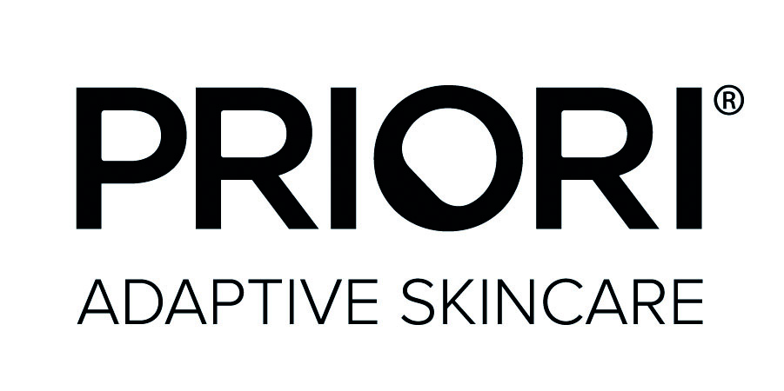

Clinic Name & Postcode:
Order Ref: |  | Contact Number:
Card Number: |  | CVV:
Expiry Date: |  | Name on card:
House Number & Postcode where card is registered to:

SKU | PRODUCT | SIZE | WHOLESALE | RETAIL | QTY | TOTAL
LUXURY
PR54050 | R-Spinasome Ultimate Day Crème | 50ml | £84.80 | £196 |  | £0.00
PR54150 | R-Spinasome Ultimate Night Crème | 50ml | £84.80 | £196 |  | £0.00
PR53015 | R-Spinasome Ultimate Eye Crème | 15ml | £64.44 | £149 |  | £0.00
REPAIR & RECOVERY
PDNA22150 | DNA fx221 - Recovery Serum | 50ml | £37.70 | £90 |  | £0.00
PDNA23115 | DNA Eye Recovery Crème | 15ml | £31.52 | £76 |  | £0.00
PDNA24150 | DNA Intense Recovery Crème | 50ml | £38.17 | £92 |  | £0.00
ANTI-AGEING
PQSOD210180 | Q+SOD fx210 - Active Cleanser | 180ml | £17.65 | £42 |  | £0.00
PQSOD22030 | Q+SOD fx220 - Brightening Serum | 30ml | £38.43 | £92 |  | £0.00
PQSOD23015 | Q+SOD fx230 - Eye Crème | 15ml | £32.98 | £79 |  | £0.00
PQSOD24050 | Q+SOD fx240 - Moisturizing Crème | 50ml | £39.87 | £96 |  | £0.00
PQSOD26130 | Q+SOD Enlightening Peel Pads | 30ml | £23.83 | £57 |  | £0.00
SPF
PTET251E50 | TETRA - fx251 - Broad Spectrum SPF 50 COLOR GUIDE | 50ml | £37.70 | £75 |  | £0.00
PTET252E4 | TETRA Lip Balm SPF 20 | 0.15oz | £7.04 | £17 |  | £0.00
SENSITIVE & CALMING
PTTC310180 | TTC fx310 Naturally Enriched Cleanser | 180ml | £15.90 | £38 |  | £0.00
PTTC32030 | TTC fx320 Illumination Treatment | 50ml | £25.13 | £60 |  | £0.00
PTTC34050 | TTC fx340 Skin Restore Crème | 50ml | £25.13 | £61 |  | £0.00
PTTC34150 | TTC fx341 Luxuriant Crème | 50ml | £25.13 | £60 |  | £0.00
PTTC34220 | TTC Natural Soothing Balm | 20gl | £12.40 | £30 |  | £0.00
CORE FORMULAS WITH LACTIC ACID
PLCA110180 | LCA fx110 - Gentle Cleanser 180ml | 180ml | £12.63 | £30.00 |  | £0.00
PLCA160200 | LCA fx160 - 2xfoliant Peel+Scrub 200ml | 200ml | £20.58 | £49.00 |  | £0.00
PLCA160120 | LCA fx160 - 2xfoliant Peel+Scrub 120ml | 120ml | £12.11 | £29.00 |  | £0.00
PLCA161120 | LCA fx161 - Hydrofill Masque 120ml | 120ml | £20.63 | £50.00 |  | £0.00
PLCA13015 | LCA fx130 - Eye Serum 15ml | 15ml | £20.69 | £50.00 |  | £0.00
PLCA12030 | LCA fx120 - Gel Perfector 30ml | 30ml | £15.58 | £37.00 |  | £0.00
PLCA12150 | LCA fx121 - Skin Renewal Crème 50ml | 50ml | £23.48 | £56.00 |  | £0.00
PLCA14050 | LCA fx140 - Barrier Restore Complexe 50ml | 50ml | £23.48 | £56.00 |  | £0.00
PLCA141120 | LCA fx141 - Hand and Body Replenisher 120ml | 120ml | £10.98 | £26.00 |  | £0.00
PLCA16230 | LCA Smart Peel Pads 30ml | 30ml | £19.84 | £48.00 |  | £0.00
TRAVEL KITS
PTK9400 | The Essentials Kit (LCA Cleanser, Skin Renewal, Barrier Restore) | 20ml/10ml/10ml | £13.74 | £32.00 |  | £0.00
PTK9401 | The Week-Ender Kit (LCA Cleanser, Barrier Restore, Skin Renewal, Hand & Body) | 20ml/10ml/10ml/10ml | £16.66 | £38.00 |  | £0.00
PTK9402 | The Glowing Kit (Active Cleanser, Brightening Serum, Moisturizing Creme) | 20ml/10ml/10ml | £22.22 | £49.00 |  | £0.00
PTK9403 | The Retexturizing Kit (Active Cleanser, Barrier Restore, 2xfoliant) | 20ml/10ml/20ml | £12.27 | £25.00 |  | £0.00
PTK9404 | The Recovery Kit (LCA Cleanser, Barrier Restore, Recovery Serum) | 20ml/10ml/10ml | £13.47 | £29.00 |  | £0.00
PTK9405 | The Clear Skin Now Kit (LCA Cleanser, Gel Perfector, Barrier Restore) | 20ml/10ml/10ml | £12.84 | £30.00 |  | £0.00
UNVEILED LED + KITS
PLEDMASK100 | Priori Unveiled LED Mask |  | £166.93 | £340.00 |  | £0.00
PLED9420 | Face Forward Kit (LCA cleanser, Recovery Serum, Barrier Restore) | 180ml/50ml/50ml | £56.10 | £135.00 |  | £0.00
PLED9421 | Active Recovery Kit (Active Cleanser, Recovery Serum, Recovery Crème) | 180ml/50ml/50ml | £72.88 | £165.00 |  | £0.00
PLED9422 | Keep it Bright Kit (TTC Cleanser,Recovery Serum, Skin Restore) | 180ml/50ml/50ml | £62.56 | £150.00 |  | £0.00
PROFESSIONAL TREATMENTS
PPTTC32050 | TTC fx320 Illumination Treatment PRO | 50ml | £22.65 |  |  | £0.00
PPLCA160200 | LCA fx160 - 2xfoliant Peel + Scrub PRO | 200ml | £18.60 |  |  | £0.00
PPLCA161120 | LCA fx161 - Hydrofill Masque PRO | 120ml | £16.63 |  |  | £0.00
PPLCA16230 | LCA Smart Peel Pads PRO | 30ml | £19.83 |  |  | £0.00
PPLCA180180 | LCA fx180-180 Pre Peel Gel | 180ml | £13.23 |  |  | £0.00
PPLCA181180 | LCA fx181-180 Multi Layer Peel Gel | 180ml | £69.44 |  |  | £0.00
PPQSOD280180 | Q+SOD fx280 Superceutical Peel Gel PRO | 180ml | £102.52 |  |  | £0.00
PROFESSIONAL PRODUCTS
PPR54050 | R-Spinasome Ultimate Day Crème PRO | 50ml | £74.54 |  |  | £0.00
PPR54150 | R-Spinasome Ultimate Night Crème PRO | 50ml | £74.54 |  |  | £0.00
PPR53015 | R-Spinasome Ultimate Eye Crème PRO | 15ml | £54.38 |  |  | £0.00
PPTTC34290 | TTC Natural Soothing Balm PRO | 90g | £25.44 |  |  | £0.00
PPTTC33015 | TTC fx330 Tightening Eye Serum PRO | 15ml | £22.31 |  |  | £0.00
PPTTC34050 | TTC fx340 Skin Restore Crème PRO | 50ml | £22.65 |  |  | £0.00
PPLCA11080 | LCA fx110 - Gentle Cleanser PRO | 180ml | £11.29 |  |  | £0.00
PPLCA13015 | LCA fx130 - Eye Serum PRO | 15ml | £17.46 |  |  | £0.00
PPLCA12050 | LCA fx120 - Gel Perfector PRO | 50ml | £22.15 |  |  | £0.00
PPLCA12150 | LCA fx121 - Skin Renewal Crème PRO | 50ml | £17.54 |  |  | £0.00
PPLCA14050 | LCA fx140 - Barrier Restore Complexe PRO | 50ml | £17.54 |  |  | £0.00
PPLCA141200 | LCA fx141 - Hand and Body Replenisher PRO | 200ml | £10.06 |  |  | £0.00
PPDNA22150 | DNA fx221 - Recovery Serum PRO | 50ml | £35.46 |  |  | £0.00
PPDNA23130 | DNA Eye Recovery Crème PRO | 30ml | £48.35 |  |  | £0.00
PPDNA24150 | DNA Intense Recovery Crème PRO | 50ml | £29.27 |  |  | £0.00
PPQSOD210180 | Q+SOD fx210 - Active Cleanser PRO | 180ml | £16.73 |  |  | £0.00
PPQSOD23030 | Q+SOD fx220 - Brightening Serum PRO | 50ml | £56.46 |  |  | £0.00
PPQSOD22050 | Q+SOD fx230 - Eye Crème PRO | 15ml | £29.69 |  |  | £0.00
PPQSOD24050 | Q+SOD fx240 - Moisturizing Crème PRO | 50ml | £35.50 |  |  | £0.00
PPQSOD26130 | Q+SOD Enlightening Peel Pads PRO | 30ml | £22.65 |  |  | £0.00
SAMPLES
PSLCA110003 | LCA fx110 Gentle Cleanser | 3ml | £0.43 |  |  | £0.00
PSLCA160003 | LCA fx160 2xfoliant Peel & Scrub | 3ml | £0.43 |  |  | £0.00
PSDNA221003 | DNA fx221 - Recovery Serum | 3ml | £0.64 |  |  | £0.00
PSDNA241003 | DNA Intense Recovery Crème | 3ml | £0.64 |  |  | £0.00
PSR54003 | R-Spinasome Ultimate Day Crème | 3ml | £0.64 |  |  | £0.00
MARKETING
PMK5400 | Large Floor Display |  | £380.95 |  |  | £0.00
PMK5401 | Small Tester Display |  | £84.65 |  |  | £0.00
PA921003 | Apron |  | £10.59 |  |  | £0.00
PA921004 | Head Bands |  | £3.17 |  |  | £0.00
PMK921007 | Priori White Eurotote (bag) |  | £2.53 |  |  | £0.00

 |  |  |  |  | TOTAL | £0.00

